Summary
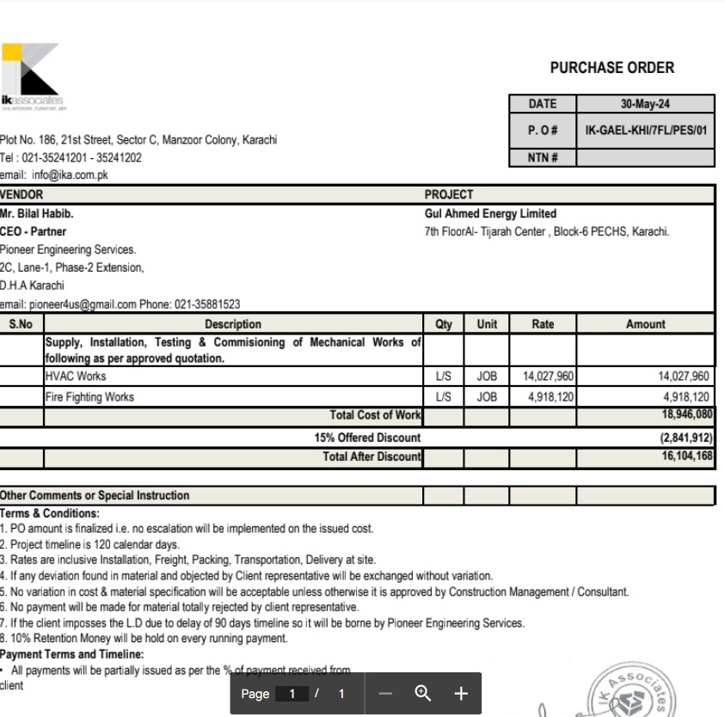

HVAC, Fire & Plumbing Work |  |  |  | 15-May-24

GUL AHMED ENERGY LIMITED
PHASE # 2 7TH FLOOR, AL-TIJARAH CENTER KARACHI

SUMMARY OF BILL OF QUANTITIES

S.No | Description | Material | Labour | Amount

1 | HVAC Work | 8,663,825 | 3,259,941 | 11,923,766
2 | Fire Fighting | 3,256,027 | 924,375 | 4,180,402
3 | Plumbing Works | 673,000 | 145,000

 | Grand Total Amount | 12,592,852 | 4,329,316 | 16,104,168

 |  |  | 20% | 3,200,000
 |  |  | Pioneer Steel | 800,000
 |  |  | Fakhri borhter | 515,900
 |  |  | Universal traders | 1,884,100

 |  |  |  | 1884100

